Sheet1
School Logo

 |  |  | DEPARTMENT OF EDUCATION
 |  |  | Division of Zamboanga del Sur
 |  |  | District of Midsalip

NAME: | _______________________________________ |  |  |  | (Admin Officer)
SCHOOL: | _______________________________________ |  |  |  | (Assignment - AO)
PERIOD COVERED: |  | ____________________________ |  |  | (ex: January 1, 2026 - December 31, 2026)

 |  |  | Performance Report

Criteria |  |  | Overall Rating |  | Remarks
Timeliness |  |  | 4.50 |  | Outsatnding
Quality & Accuracy |  |  | 4.20 |  | Very Satisfactory
Compliance |  |  | 4.37 |  | Very Satisfactory
WEIGHTED AVERAGE |  |  | 4.36 |  | Very Satisfactory

No. of Completed Tasks: |  | __________ |  | Range | Adjectival Rating
No. of Tasks: |  | __________ |  | 4.50-5.00 | Outstanding
Average Completion Rate: |  | __________ |  | 3.50-4.49 | Very Satisfactory
 |  |  |  | 2.50-3.49 | Satisfactory
 |  |  |  | 1.5-2.49 | Unsatisfactory

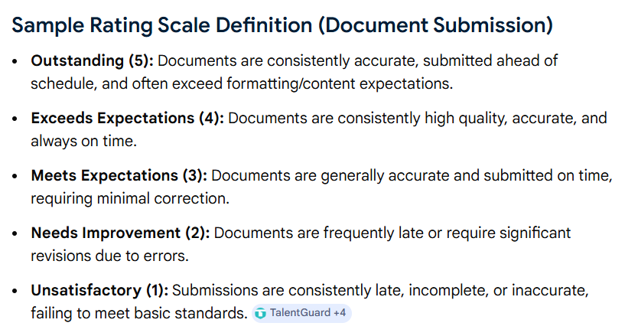

 |  |  |  |  |  |  |  | INCLUDE content description in the Printable Report (Depende na unsaon pag layout?)

Validated by:

(NAME OF SCHOOL HEAD)
POSITION

Date & Time: _____________ | (Printing/Generated Date and Time)

 |  |  |  |  |  | (Page 1 of ___)

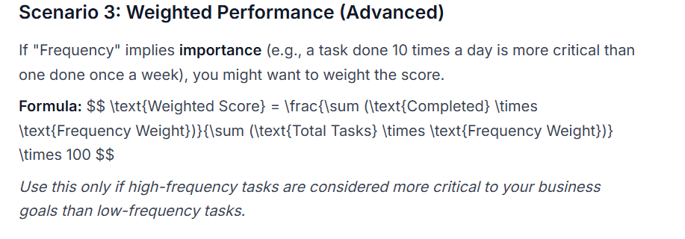
BREAKDOWN ANALYSIS |  |  |  |  |  |  | (not yet sure sa term)
Name of Task | Completed |  | No. of Task | Frequency | Percentage
(1) Learner BMI Report | 1 |  | 2 | 2 | 50%
(2) Regular Payroll | 10 |  | 12 | 12 | 83.33%
(3)

 |  |  |  |  |  | (Page 2 of ___)

